Application Screen
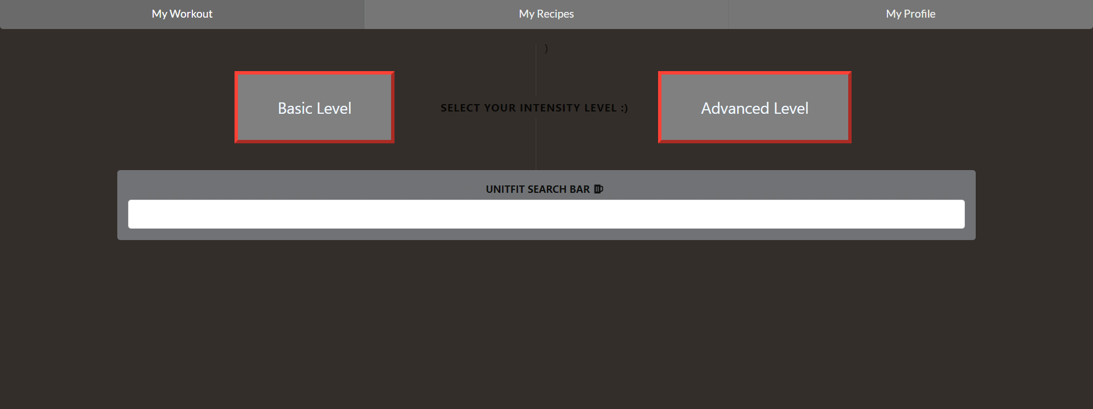

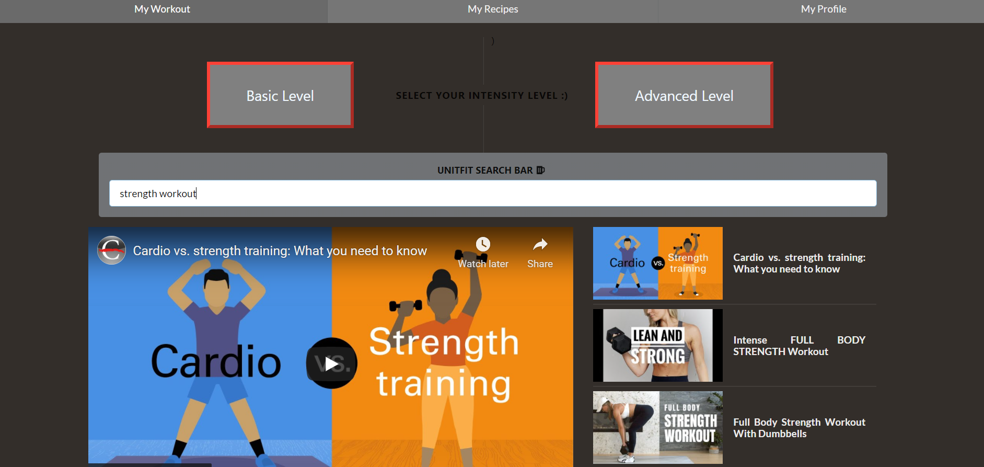

Test Case 4
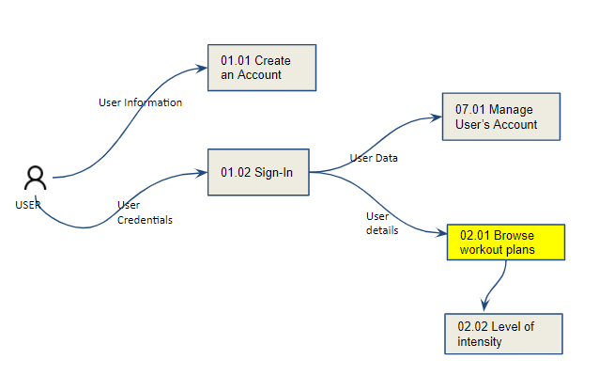
TC Title: | TC4. Browse the type of workout - Data Flow In

TC Objective: | The objective of this test case is to test the ability of the core feature behavior when it takes data in from another core feature of the same application.

TC Description
 | Step | Step Description | Expected Results
 | 1 | Type the perferred workout on the Search Bar. | the results will appear on the screen.

 | Data Flow In - Data Flow Diagram (Logical)

